Sheet1
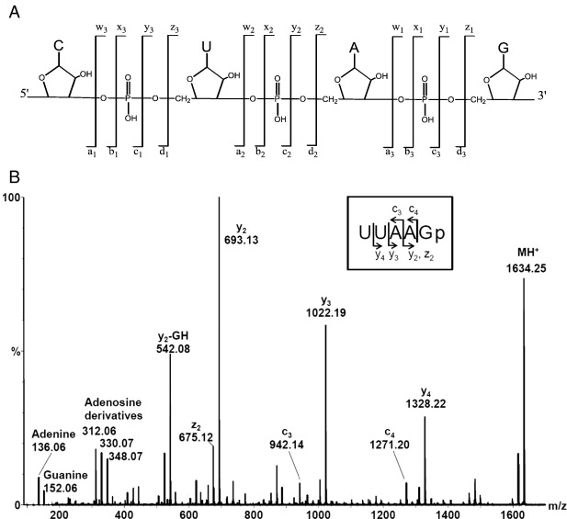
5' | Base |  |  | a1 |  |  | b1 |  |  | c1 |  |  | d1 |  |  | wn |  |  | xn |  |  | yn |  |  | zn
 | formula | mol wt | m/z | formula | mol wt | m/z | formula | mol wt | m/z | formula | mol wt | m/z | formula | mol wt | m/z | formula | mol wt | m/z | formula | mol wt | m/z | formula | mol wt | m/z | formula | mol wt | m/z
Adenosine | c5h5n5 | 135 | 135 | C10H12N5O3. | 250 | 251 | C10H12N5O5. | 266 | 267 | C10H12N5O6P.- | 329 | 330 | C10H12N5O7P2- | 345 | 172.5
Guanine | C5H5N5O | 151 | 151 | C10H12N5O47. | 266 | 267 | C10H12N5O5. | 282 | 283 | C10H12N5O7P.- | 345 | 346 | C10H12N5O8P2- | 361 | 181
Cytosine | C4H5N3O | 111 | 111 | C9H12N3O43. | 226 | 227 | C9H12N3O5. | 242 | 243 | C9H12N3O7P.- | 305 | 306 | C9H12N3O8P2- | 321 | 161
Uracil | C4H4N2O2 | 112 | 112 | C9H11N2O5. | 227 | 228 | C9H11N2O6. | 243 | 244 | C9H11N2O8P.- | 306 | 307 | C9H11N2O9P2- | 322 | 161
Thymine

